LEE COOPER
 |  |  | SPRING/SUMMER 2026 COLLECTION
 |  |  | Client: _ _ _ _ _ _ _ _ _ _ _ _ _ _ _
 |  |  | Address: _ _ _ _ _ _ _ _ _ _ _ _ _ _ _

No. | Kép | Cikkszám | SIZE | Méret lebontás | Anyag | Nettó Nk ár | Javasolt Fogy ár | Mennyiség | Érték

SS26, LEE COOPER LADIES COLLECTION
2000. |  | LCW-26-01-4000LA | 36-41 | 1-2-3-3-2-1 | LEATHER | 9,163 Ft | 21,990 Ft |  | - Ft
2001. |  | LCW-26-01-4000LB | 37-41 | 1-3-3-3-2 | LEATHER | 9,163 Ft | 21,990 Ft |  | - Ft
2002. |  | LCW-26-01-4001LA | 36-41 | 1-2-3-3-2-1 | LEATHER | 9,163 Ft | 21,990 Ft |  | - Ft
2003. |  | LCW-26-01-4001LB | 37-41 | 1-3-3-3-2 | LEATHER | 9,163 Ft | 21,990 Ft |  | - Ft
2014. |  | LCW-26-01-4007LA | 36-41 | 1-2-3-3-2-1 | LEATHER | 9,125 Ft | 21,900 Ft |  | - Ft
2015. |  | LCW-26-01-4007LB | 37-41 | 1-3-3-3-2 | LEATHER | 9,125 Ft | 21,900 Ft |  | - Ft
2016. |  | LCW-26-01-4008LA | 36-41 | 1-2-3-3-2-1 | LEATHER | 9,125 Ft | 21,900 Ft |  | - Ft
2017. |  | LCW-26-01-4008LB | 37-41 | 1-3-3-3-2 | LEATHER | 9,125 Ft | 21,900 Ft |  | - Ft
2018. |  | LCW-26-01-4009LA | 36-41 | 1-2-3-3-2-1 | LEATHER | 7,913 Ft | 18,990 Ft |  | - Ft
2019. |  | LCW-26-01-4009LB | 37-41 | 1-3-3-3-2 | LEATHER | 7,913 Ft | 18,990 Ft |  | - Ft
2020. |  | LCW-26-01-4010LA | 36-41 | 1-2-3-3-2-1 | LEATHER | 7,913 Ft | 18,990 Ft |  | - Ft
2021. |  | LCW-26-01-4010LB | 37-41 | 1-3-3-3-2 | LEATHER | 7,913 Ft | 18,990 Ft |  | - Ft
2032. |  | LCW-26-01-4016LA | 36-41 | 1-2-3-3-2-1 | LEATHER | 8,329 Ft | 19,990 Ft |  | - Ft
2033. |  | LCW-26-01-4016LB | 37-41 | 1-3-3-3-2 | LEATHER | 8,329 Ft | 19,990 Ft |  | - Ft
2034. |  | LCW-26-01-4017LA | 36-41 | 1-2-3-3-2-1 | LEATHER | 8,329 Ft | 19,990 Ft |  | - Ft
2035. |  | LCW-26-01-4017LB | 37-41 | 1-3-3-3-2 | LEATHER | 8,329 Ft | 19,990 Ft |  | - Ft
2036. |  | LCW-26-01-4018LA | 36-41 | 1-2-3-3-2-1 | LEATHER | 8,329 Ft | 19,990 Ft |  | - Ft
2037. |  | LCW-26-01-4018LB | 37-41 | 1-3-3-3-2 | LEATHER | 8,329 Ft | 19,990 Ft |  | - Ft
2038. |  | LCW-26-01-4019LA | 36-41 | 1-2-3-3-2-1 | LEATHER | 8,329 Ft | 19,990 Ft |  | - Ft
2039. |  | LCW-26-01-4019LB | 37-41 | 1-3-3-3-2 | LEATHER | 8,329 Ft | 19,990 Ft |  | - Ft
2042. |  | LCW-26-01-4021LA | 36-41 | 1-2-3-3-2-1 | LEATHER | 8,329 Ft | 19,990 Ft |  | - Ft
2043. |  | LCW-26-01-4021LB | 37-41 | 1-3-3-3-2 | LEATHER | 8,329 Ft | 19,990 Ft |  | - Ft
2074. |  | LCW-26-02-4038LA | 36-41 | 1-2-3-3-2-1 | LC FLEX CANVAS | 5,413 Ft | 12,990 Ft |  | - Ft
2075. |  | LCW-26-02-4038LB | 37-41 | 1-3-3-3-2 | LC FLEX CANVAS | 5,413 Ft | 12,990 Ft |  | - Ft
2076. |  | LCW-26-02-4039LA | 36-41 | 1-2-3-3-2-1 | LC FLEX CANVAS | 5,413 Ft | 12,990 Ft |  | - Ft
2077. |  | LCW-26-02-4039LB | 37-41 | 1-3-3-3-2 | LC FLEX CANVAS | 5,413 Ft | 12,990 Ft |  | - Ft
2084. |  | LCW-26-02-4043LA | 36-41 | 1-2-3-3-2-1 | LC FLEX CANVAS | 5,413 Ft | 12,990 Ft |  | - Ft
2085. |  | LCW-26-02-4043LB | 37-41 | 1-3-3-3-2 | LC FLEX CANVAS | 5,413 Ft | 12,990 Ft |  | - Ft
2086. |  | LCW-26-02-4044LA | 36-41 | 1-2-3-3-2-1 | LC FLEX CANVAS | 5,413 Ft | 12,990 Ft |  | - Ft
2087. |  | LCW-26-02-4044LB | 37-41 | 1-3-3-3-2 | LC FLEX CANVAS | 5,413 Ft | 12,990 Ft |  | - Ft
2088. |  | LCW-26-02-4045LA | 36-41 | 1-2-3-3-2-1 | LC FLEX CANVAS | 5,413 Ft | 12,990 Ft |  | - Ft
2089. |  | LCW-26-02-4045LB | 37-41 | 1-3-3-3-2 | LC FLEX CANVAS | 5,413 Ft | 12,990 Ft |  | - Ft
2090. |  | LCW-26-02-4046LA | 36-41 | 1-2-3-3-2-1 | LC FLEX CANVAS | 5,413 Ft | 12,990 Ft |  | - Ft
2091. |  | LCW-26-02-4046LB | 37-41 | 1-3-3-3-2 | LC FLEX CANVAS | 5,413 Ft | 12,990 Ft |  | - Ft
2094. |  | LCW-26-02-4048LA | 36-41 | 1-2-3-3-2-1 | LC FLEX CANVAS | 5,413 Ft | 12,990 Ft |  | - Ft
2095. |  | LCW-26-02-4048LB | 37-41 | 1-3-3-3-2 | LC FLEX CANVAS | 5,413 Ft | 12,990 Ft |  | - Ft
2096. |  | LCW-26-02-4049LA | 36-41 | 1-2-3-3-2-1 | LC FLEX CANVAS | 5,413 Ft | 12,990 Ft |  | - Ft
2097. |  | LCW-26-02-4049LB | 37-41 | 1-3-3-3-2 | LC FLEX CANVAS | 5,413 Ft | 12,990 Ft |  | - Ft
2098. |  | LCW-26-02-4050LA | 36-41 | 1-2-3-3-2-1 | LC FLEX CANVAS | 4,996 Ft | 11,990 Ft |  | - Ft
2099. |  | LCW-26-02-4050LB | 37-41 | 1-3-3-3-2 | LC FLEX CANVAS | 4,996 Ft | 11,990 Ft |  | - Ft
2104. |  | LCW-26-02-4053LA | 36-41 | 1-2-3-3-2-1 | LC FLEX CANVAS | 5,829 Ft | 13,990 Ft |  | - Ft
2105. |  | LCW-26-02-4053LB | 37-41 | 1-3-3-3-2 | LC FLEX CANVAS | 5,829 Ft | 13,990 Ft |  | - Ft
2106. |  | LCW-26-02-4054LA | 36-41 | 1-2-3-3-2-1 | LC FLEX CANVAS | 5,829 Ft | 13,990 Ft |  | - Ft
2107. |  | LCW-26-02-4054LB | 37-41 | 1-3-3-3-2 | LC FLEX CANVAS | 5,829 Ft | 13,990 Ft |  | - Ft
2108. |  | LCW-26-02-4055LA | 36-41 | 1-2-3-3-2-1 | LC FLEX CANVAS | 5,413 Ft | 12,990 Ft |  | - Ft
2109. |  | LCW-26-02-4055LB | 37-41 | 1-3-3-3-2 | LC FLEX CANVAS | 5,413 Ft | 12,990 Ft |  | - Ft
2110. |  | LCW-26-02-4056LA | 36-41 | 1-2-3-3-2-1 | LC FLEX CANVAS | 5,413 Ft | 12,990 Ft |  | - Ft
2111. |  | LCW-26-02-4056LB | 37-41 | 1-3-3-3-2 | LC FLEX CANVAS | 5,413 Ft | 12,990 Ft |  | - Ft
2112. |  | LCW-26-02-4057LA | 36-41 | 1-2-3-3-2-1 | LC FLEX CANVAS | 5,413 Ft | 12,990 Ft |  | - Ft
2113. |  | LCW-26-02-4057LB | 37-41 | 1-3-3-3-2 | LC FLEX CANVAS | 5,413 Ft | 12,990 Ft |  | - Ft
2114. |  | LCW-26-02-4058LA | 36-41 | 1-2-3-3-2-1 | CANVAS/PU | 5,413 Ft | 12,990 Ft |  | - Ft
2115. |  | LCW-26-02-4058LB | 37-41 | 1-3-3-3-2 | CANVAS/PU | 5,413 Ft | 12,990 Ft |  | - Ft
2116. |  | LCW-26-02-4059LA | 36-41 | 1-2-3-3-2-1 | CANVAS/PU | 5,413 Ft | 12,990 Ft |  | - Ft
2117. |  | LCW-26-02-4059LB | 37-41 | 1-3-3-3-2 | CANVAS/PU | 5,413 Ft | 12,990 Ft |  | - Ft
2118. |  | LCW-26-02-4060LA | 36-41 | 1-2-3-3-2-1 | CANVAS/PU | 5,829 Ft | 13,990 Ft |  | - Ft
2119. |  | LCW-26-02-4060LB | 37-41 | 1-3-3-3-2 | CANVAS/PU | 5,829 Ft | 13,990 Ft |  | - Ft
2120. |  | LCW-26-02-4061LA | 36-41 | 1-2-3-3-2-1 | CANVAS/PU | 5,829 Ft | 13,990 Ft |  | - Ft
2121. |  | LCW-26-02-4061LB | 37-41 | 1-3-3-3-2 | CANVAS/PU | 5,829 Ft | 13,990 Ft |  | - Ft
2128. |  | LCW-26-02-4065LA | 36-41 | 1-2-3-3-2-1 | MESH/CANVAS | 5,829 Ft | 13,990 Ft |  | - Ft
2129. |  | LCW-26-02-4065LB | 37-41 | 1-3-3-3-2 | MESH/CANVAS | 5,829 Ft | 13,990 Ft |  | - Ft
2130. |  | LCW-26-02-4066LA | 36-41 | 1-2-3-3-2-1 | MESH/CANVAS | 5,829 Ft | 13,990 Ft |  | - Ft
2131. |  | LCW-26-02-4066LB | 37-41 | 1-3-3-3-2 | MESH/CANVAS | 5,829 Ft | 13,990 Ft |  | - Ft
2132. |  | LCW-26-02-4067LA | 36-41 | 1-2-3-3-2-1 | MESH/CANVAS | 5,829 Ft | 13,990 Ft |  | - Ft
...
 |  |  | Address: _ _ _ _ _ _ _ _ _ _ _ _ _ _ _
No. | Kép | Cikkszám | SIZE | Méret lebontás | Anyag | Nettó Nk ár
2138. |  | LCW-26-02-4070LA | 36-41 | 1-2-3-3-2-1 | LC FLEX CANVAS | 4,996 Ft
2139. |  | LCW-26-02-4070LB | 37-41 | 1-3-3-3-2 | LC FLEX CANVAS | 4,996 Ft
2140. |  | LCW-26-02-4071LA | 36-41 | 1-2-3-3-2-1 | LC FLEX CANVAS | 4,996 Ft
2141. |  | LCW-26-02-4071LB | 37-41 | 1-3-3-3-2 | LC FLEX CANVAS | 4,996 Ft
2142. |  | LCW-26-02-4072LA | 36-41 | 1-2-3-3-2-1 | CANVAS | 4,996 Ft
2143. |  | LCW-26-02-4072LB | 37-41 | 1-3-3-3-2 | CANVAS | 4,996 Ft
2144. |  | LCW-26-02-4073LA | 36-41 | 1-2-3-3-2-1 | CANVAS | 4,996 Ft
2145. |  | LCW-26-02-4073LB | 37-41 | 1-3-3-3-2 | CANVAS | 4,996 Ft
2146. |  | LCW-26-02-4074LA | 36-41 | 1-2-3-3-2-1 | LC FLEX CANVAS | 4,996 Ft
2147. |  | LCW-26-02-4074LB | 37-41 | 1-3-3-3-2 | LC FLEX CANVAS | 4,996 Ft
2148. | 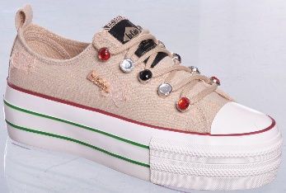 | LCW-26-02-4075LA | 36-41 | 1-2-3-3-2-1 | DENIM | 6,663 Ft
2149. |  | LCW-26-02-4075LB | 37-41 | 1-3-3-3-2 | DENIM | 6,663 Ft
2152. |  | LCW-26-02-4077LA | 36-41 | 1-2-3-3-2-1 | CANVAS | 6,663 Ft
2153. |  | LCW-26-02-4077LB | 37-41 | 1-3-3-3-2 | CANVAS | 6,663 Ft
2154. |  | LCW-26-02-4078LA | 36-41 | 1-2-3-3-2-1 | CANVAS | 5,413 Ft
2155. |  | LCW-26-02-4078LB | 37-41 | 1-3-3-3-2 | CANVAS | 5,413 Ft
2156. |  | LCW-26-02-4079LA | 36-41 | 1-2-3-3-2-1 | CANVAS | 5,413 Ft
2157. |  | LCW-26-02-4079LB | 37-41 | 1-3-3-3-2 | CANVAS | 5,413 Ft
2158. |  | LCW-26-02-4080LA | 36-41 | 1-2-3-3-2-1 | CANVAS | 5,413 Ft
2159. |  | LCW-26-02-4080LB | 37-41 | 1-3-3-3-2 | CANVAS | 5,413 Ft
2200. |  | LCW-26-03-4104LA | 36-41 | 1-2-3-3-2-1 | MEMORY FLY KNIT | 8,329 Ft
...
 |  |  | Address: _ _ _ _ _ _ _ _ _ _ _ _ _ _ _
No. | Kép | Cikkszám | SIZE | Méret lebontás | Anyag | Nettó Nk ár
2276. |  | LCW-26-07-4150LA | 36-41 | 1-2-3-3-2-1 | SOFT EVA | 3,329 Ft
2277. |  | LCW-26-07-4150LB | 37-41 | 1-3-3-3-2 | SOFT EVA | 3,329 Ft
2278. |  | LCW-26-07-4151LA | 36-41 | 1-2-3-3-2-1 | SOFT EVA | 3,329 Ft
2279. |  | LCW-26-07-4151LB | 37-41 | 1-3-3-3-2 | SOFT EVA | 3,329 Ft
2288. |  | LCW-26-07-4156LA | 36-41 | 1-2-3-3-2-1 | SOFT EVA | 3,329 Ft
2289. |  | LCW-26-07-4156LB | 37-41 | 1-3-3-3-2 | SOFT EVA | 3,329 Ft
2294. |  | LCW-26-07-4159LA | 36-41 | 1-2-3-3-2-1 | SOFT EVA | 3,329 Ft
2295. |  | LCW-26-07-4159LB | 37-41 | 1-3-3-3-2 | SOFT EVA | 3,329 Ft
2296. |  | LCW-26-07-4160LA | 36-41 | 1-2-3-3-2-1 | SOFT EVA | 3,329 Ft
2297. |  | LCW-26-07-4160LB | 37-41 | 1-3-3-3-2 | SOFT EVA | 3,329 Ft
2308. | 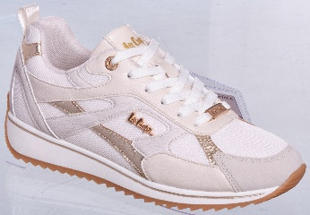 | LCW-26-09-4170LA | 36-41 | 1-2-3-3-2-1 | PU/TEXTILE | 9,996 Ft
2309. |  | LCW-26-09-4170LB | 37-41 | 1-3-3-3-2 | PU/TEXTILE | 9,996 Ft
2310. | 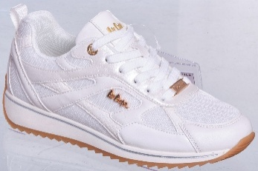 | LCW-26-09-4171LA | 36-41 | 1-2-3-3-2-1 | PU/TEXTILE | 9,996 Ft
2311. |  | LCW-26-09-4171LB | 37-41 | 1-3-3-3-2 | PU/TEXTILE | 9,996 Ft
2312. |  | LCW-26-09-4172LA | 36-41 | 1-2-3-3-2-1 | PU | 9,996 Ft
2313. |  | LCW-26-09-4172LB | 37-41 | 1-3-3-3-2 | PU | 9,996 Ft
2314. |  | LCW-26-09-4173LA | 36-41 | 1-2-3-3-2-1 | PU | 9,996 Ft
2315. |  | LCW-26-09-4173LB | 37-41 | 1-3-3-3-2 | PU | 9,996 Ft
2316. |  | LCW-26-09-4174LA | 36-41 | 1-2-3-3-2-1 | PU | 9,996 Ft
2317. |  | LCW-26-09-4174LB | 37-41 | 1-3-3-3-2 | PU | 9,996 Ft
2318. |  | LCW-26-09-4175LA | 36-41 | 1-2-3-3-2-1 | PU | 9,996 Ft
2319. |  | LCW-26-09-4175LB | 37-41 | 1-3-3-3-2 | PU | 9,996 Ft
2320. |  | LCW-26-09-4176LA | 36-41 | 1-2-3-3-2-1 | PU/TEXTILE | 9,996 Ft
2321. |  | LCW-26-09-4176LB | 37-41 | 1-3-3-3-2 | PU/TEXTILE | 9,996 Ft
2322. |  | LCW-26-09-4177LA | 36-41 | 1-2-3-3-2-1 | PU/TEXTILE | 9,996 Ft
2323. |  | LCW-26-09-4177LB | 37-41 | 1-3-3-3-2 | PU/TEXTILE | 9,996 Ft
2324. | 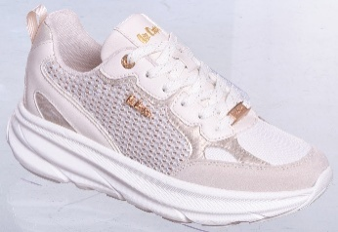 | LCW-26-09-4178LA | 36-41 | 1-2-3-3-2-1 | PU/TEXTILE | 9,996 Ft
2325. |  | LCW-26-09-4178LB | 37-41 | 1-3-3-3-2 | PU/TEXTILE | 9,996 Ft
2326. | 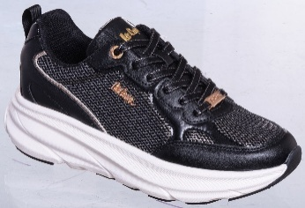 | LCW-26-09-4179LA | 36-41 | 1-2-3-3-2-1 | PU/TEXTILE | 9,996 Ft
2327. |  | LCW-26-09-4179LB | 37-41 | 1-3-3-3-2 | PU/TEXTILE | 9,996 Ft
2328. |  | LCW-26-09-4180LA | 36-41 | 1-2-3-3-2-1 | PU/TEXTILE | 12,079 Ft
2329. |  | LCW-26-09-4180LB | 37-41 | 1-3-3-3-2 | PU/TEXTILE | 12,079 Ft
2330. |  | LCW-26-09-4181LA | 36-41 | 1-2-3-3-2-1 | PU/TEXTILE | 12,079 Ft
2331. |  | LCW-26-09-4181LB | 37-41 | 1-3-3-3-2 | PU/TEXTILE | 12,079 Ft
2336. |  | LCW-26-13-4191LA | 36-41 | 1-2-3-3-2-1 | MESH | 9,579 Ft
2337. |  | LCW-26-13-4191LB | 37-41 | 1-3-3-3-2 | MESH | 9,579 Ft
2338. |  | LCW-26-13-4192LA | 36-41 | 1-2-3-3-2-1 | MESH | 9,579 Ft
2339. |  | LCW-26-13-4192LB | 37-41 | 1-3-3-3-2 | MESH | 9,579 Ft
2372. | 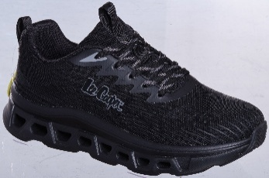 | LCW-26-14-4216LA | 36-41 | 1-2-3-3-2-1 | FLY KNIT | 9,996 Ft
2373. |  | LCW-26-14-4216LB | 37-41 | 1-3-3-3-2 | FLY KNIT | 9,996 Ft
2374. | 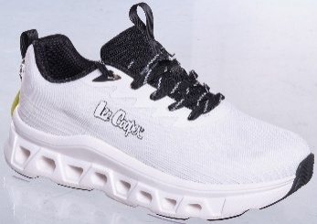 | LCW-26-14-4217LA | 36-41 | 1-2-3-3-2-1 | FLY KNIT | 9,996 Ft
2375. |  | LCW-26-14-4217LB | 37-41 | 1-3-3-3-2 | FLY KNIT | 9,996 Ft
2388. |  | LCW-26-15-4230LA | 36-41 | 1-2-3-3-2-1 | LEATHER | 10,829 Ft
2389. |  | LCW-26-15-4230LB | 37-41 | 1-3-3-3-2 | LEATHER | 10,829 Ft
2390. |  | LCW-26-15-4231LA | 36-41 | 1-2-3-3-2-1 | LEATHER | 11,663 Ft
2391. |  | LCW-26-15-4231LB | 37-41 | 1-3-3-3-2 | LEATHER | 11,663 Ft
2392. |  | LCW-26-15-4232LA | 36-41 | 1-2-3-3-2-1 | LEATHER | 11,663 Ft
2393. |  | LCW-26-15-4232LB | 37-41 | 1-3-3-3-2 | LEATHER | 11,663 Ft
2396. |  | LCW-26-15-4234LA | 36-41 | 1-2-3-3-2-1 | LEATHER | 9,996 Ft
2397. |  | LCW-26-15-4234LB | 37-41 | 1-3-3-3-2 | LEATHER | 9,996 Ft
2398. |  | LCW-26-15-4235LA | 36-41 | 1-2-3-3-2-1 | LEATHER | 9,996 Ft
...
 |  |  | Address: _ _ _ _ _ _ _ _ _ _ _ _ _ _ _
No. | Kép | Cikkszám | SIZE | Méret lebontás | Anyag | Nettó Nk ár
2466. |  | LCW-26-15-4269LA | 36-41 | 1-2-3-3-2-1 | SYNTHETIC | 8,329 Ft
2467. |  | LCW-26-15-4269LB | 37-41 | 1-3-3-3-2 | SYNTHETIC | 8,329 Ft
2468. |  | LCW-26-15-4270LA | 36-41 | 1-2-3-3-2-1 | SYNTHETIC | 8,329 Ft
2469. |  | LCW-26-15-4270LB | 37-41 | 1-3-3-3-2 | SYNTHETIC | 8,329 Ft
2470. |  | LCW-26-16-4280LA | 36-41 | 1-2-3-3-2-1 | LEATHER/TEXTILE | 9,163 Ft
2471. |  | LCW-26-16-4280LB | 37-41 | 1-3-3-3-2 | LEATHER/TEXTILE | 9,163 Ft
2472. |  | LCW-26-16-4281LA | 36-41 | 1-2-3-3-2-1 | LEATHER/TEXTILE | 9,163 Ft
2473. |  | LCW-26-16-4281LB | 37-41 | 1-3-3-3-2 | LEATHER/TEXTILE | 9,163 Ft
2474. |  | LCW-26-16-4282LA | 36-41 | 1-2-3-3-2-1 | LEATHER/TEXTILE | 9,163 Ft
2475. |  | LCW-26-16-4282LB | 37-41 | 1-3-3-3-2 | LEATHER/TEXTILE | 9,163 Ft
2476. | 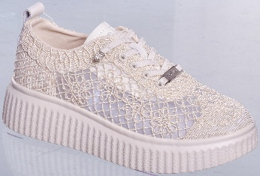 | LCW-26-16-4283LA | 36-41 | 1-2-3-3-2-1 | TEXTILE/LEATHER | 9,579 Ft
2477. |  | LCW-26-16-4283LB | 37-41 | 1-3-3-3-2 | TEXTILE/LEATHER | 9,579 Ft
2478. | 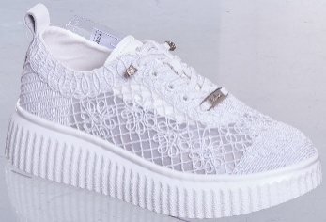 | LCW-26-16-4284LA | 36-41 | 1-2-3-3-2-1 | TEXTILE/LEATHER | 9,579 Ft
2479. |  | LCW-26-16-4284LB | 37-41 | 1-3-3-3-2 | TEXTILE/LEATHER | 9,579 Ft
2480. | 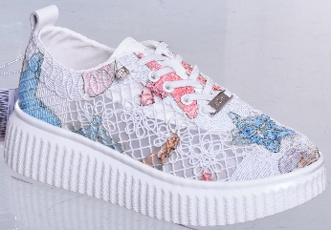 | LCW-26-16-4285LA | 36-41 | 1-2-3-3-2-1 | TEXTILE/LEATHER | 9,579 Ft
2481. |  | LCW-26-16-4285LB | 37-41 | 1-3-3-3-2 | TEXTILE/LEATHER | 9,579 Ft
2482. | 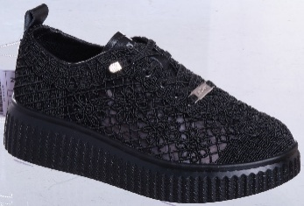 | LCW-26-16-4286LA | 36-41 | 1-2-3-3-2-1 | TEXTILE/LEATHER | 9,579 Ft
2483. |  | LCW-26-16-4286LB | 37-41 | 1-3-3-3-2 | TEXTILE/LEATHER | 9,579 Ft
2484. |  | LCW-26-16-4287LA | 36-41 | 1-2-3-3-2-1 | TEXTILE/MF SUEDE | 9,579 Ft
2485. |  | LCW-26-16-4287LB | 37-41 | 1-3-3-3-2 | TEXTILE/MF SUEDE | 9,579 Ft
2488. |  | LCW-26-16-4289LA | 36-41 | 1-2-3-3-2-1 | TEXTILE/MF SUEDE | 9,579 Ft
2489. |  | LCW-26-16-4289LB | 37-41 | 1-3-3-3-2 | TEXTILE/MF SUEDE | 9,579 Ft
2490. |  | LCW-26-16-4290LA | 36-41 | 1-2-3-3-2-1 | LEATHER | 8,329 Ft
2491. |  | LCW-26-16-4290LB | 37-41 | 1-3-3-3-2 | LEATHER | 8,329 Ft
2492. |  | LCW-26-16-4291LA | 36-41 | 1-2-3-3-2-1 | LEATHER | 8,329 Ft
2493. |  | LCW-26-16-4291LB | 37-41 | 1-3-3-3-2 | LEATHER | 8,329 Ft
2506. |  | LCW-26-31-4310LA | 36-41 | 1-2-3-3-2-1 | CANVAS | 4,579 Ft
...
 |  |  | Address: _ _ _ _ _ _ _ _ _ _ _ _ _ _ _
No. | Kép | Cikkszám | SIZE | Méret lebontás | Anyag | Nettó Nk ár
2783. |  | LCW-26-44-4477LA | 36-41 | 1-2-3-3-2-1 | CANVAS/SYNTHETIC | 4,579 Ft
2784. |  | LCW-26-44-4477LB | 37-41 | 1-3-3-3-2 | CANVAS/SYNTHETIC | 4,579 Ft
2785. |  | LCW-26-44-4478LA | 36-41 | 1-2-3-3-2-1 | CANVAS/SYNTHETIC | 4,579 Ft
2786. |  | LCW-26-44-4478LB | 37-41 | 1-3-3-3-2 | CANVAS/SYNTHETIC | 4,579 Ft
2787. |  | LCW-26-44-4479LA | 36-41 | 1-2-3-3-2-1 | TEXTILE/SYNTHETIC | 5,413 Ft
2788. |  | LCW-26-44-4479LB | 37-41 | 1-3-3-3-2 | TEXTILE/SYNTHETIC | 5,413 Ft
2789. |  | LCW-26-44-4480LA | 36-41 | 1-2-3-3-2-1 | TEXTILE/SYNTHETIC | 5,413 Ft
2790. |  | LCW-26-44-4480LB | 37-41 | 1-3-3-3-2 | TEXTILE/SYNTHETIC | 5,413 Ft
2791. |  | LCW-26-44-4481LA | 36-41 | 1-2-3-3-2-1 | TEXTILE/SYNTHETIC | 5,413 Ft
2792. |  | LCW-26-44-4481LB | 37-41 | 1-3-3-3-2 | TEXTILE/SYNTHETIC | 5,413 Ft
2793. | 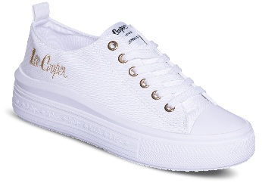 | LCW-26-44-4482LA | 36-41 | 1-2-3-3-2-1 | CANVAS | 5,413 Ft
2794. |  | LCW-26-44-4482LB | 37-41 | 1-3-3-3-2 | CANVAS | 5,413 Ft
2795. | 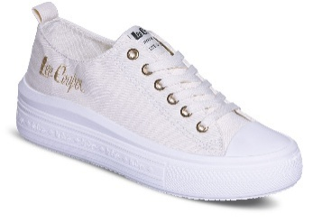 | LCW-26-44-4483LA | 36-41 | 1-2-3-3-2-1 | CANVAS | 5,413 Ft
2796. |  | LCW-26-44-4483LB | 37-41 | 1-3-3-3-2 | CANVAS | 5,413 Ft
2797. | 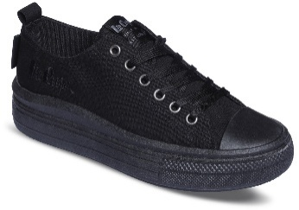 | LCW-26-44-4484LA | 36-41 | 1-2-3-3-2-1 | CANVAS | 5,413 Ft
2798. |  | LCW-26-44-4484LB | 37-41 | 1-3-3-3-2 | CANVAS | 5,413 Ft
2799. |  | LCW-26-44-4485LA | 36-41 | 1-2-3-3-2-1 | CANVAS | 5,413 Ft
2800. |  | LCW-26-44-4485LB | 37-41 | 1-3-3-3-2 | CANVAS | 5,413 Ft
2801. |  | LCW-26-44-4486LA | 36-41 | 1-2-3-3-2-1 | CANVAS | 5,413 Ft
2802. |  | LCW-26-44-4486LB | 37-41 | 1-3-3-3-2 | CANVAS | 5,413 Ft
2803. | 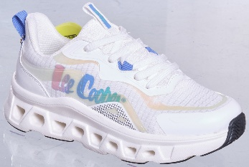 | LCW-26-14-4224LA | 36-41 | 1-2-3-3-2-1 | FLY KNIT/SYNTHETIC | 9,996 Ft
2804. |  | LCW-26-14-4224LB | 37-41 | 1-3-3-3-2 | FLY KNIT/SYNTHETIC | 9,996 Ft
2805. | 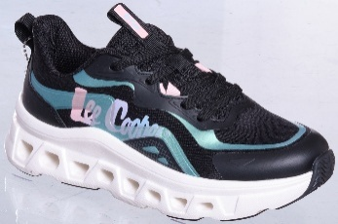 | LCW-26-14-4225LA | 36-41 | 1-2-3-3-2-1 | FLY KNIT/SYNTHETIC | 9,996 Ft
2806. |  | LCW-26-14-4225LB | 37-41 | 1-3-3-3-2 | FLY KNIT/SYNTHETIC | 9,996 Ft
SS26, LEE COOPER MAN COLLECTION
2044. |  | LCW-26-01-4022MA | 41-46 | 1-2-3-3-2-1 | LEATHER | 8,329 Ft
2045. |  | LCW-26-01-4022MB | 40-45 | 1-2-3-3-2-1 | LEATHER | 8,329 Ft
2048. |  | LCW-26-01-4024MA | 41-46 | 1-2-3-3-2-1 | LEATHER | 8,329 Ft
2049. |  | LCW-26-01-4024MB | 40-45 | 1-2-3-3-2-1 | LEATHER | 8,329 Ft
2050. |  | LCW-26-01-4025MA | 41-46 | 1-2-3-3-2-1 | SYNTHETIC | 7,079 Ft
2051. |  | LCW-26-01-4025MB | 40-45 | 1-2-3-3-2-1 | SYNTHETIC | 7,079 Ft
2052. |  | LCW-26-01-4026MA | 41-46 | 1-2-3-3-2-1 | SYNTHETIC | 7,079 Ft
2053. |  | LCW-26-01-4026MB | 40-45 | 1-2-3-3-2-1 | SYNTHETIC | 7,079 Ft
...
 |  |  | Address: _ _ _ _ _ _ _ _ _ _ _ _ _ _ _
No. | Kép | Cikkszám | SIZE | Méret lebontás | Anyag | Nettó Nk ár
2286. |  | LCW-26-07-4155MA | 41-46 | 1-2-3-3-2-1 | SOFT EVA | 3,329 Ft
2287. |  | LCW-26-07-4155MB | 40-45 | 1-2-3-3-2-1 | SOFT EVA | 3,329 Ft
2300. |  | LCW-26-07-4162MA | 41-46 | 1-2-3-3-2-1 | SOFT EVA | 3,329 Ft
2301. |  | LCW-26-07-4162MB | 40-45 | 1-2-3-3-2-1 | SOFT EVA | 3,329 Ft
2302. |  | LCW-26-07-4163MA | 41-46 | 1-2-3-3-2-1 | SOFT EVA | 3,329 Ft
2303. |  | LCW-26-07-4163MB | 40-45 | 1-2-3-3-2-1 | SOFT EVA | 3,329 Ft
2340. |  | LCW-26-13-4193MB | 40-45 | 1-2-3-3-2-1 | MESH | 9,163 Ft
2341. |  | LCW-26-13-4193MC | 40-45 | 1-1-3-3-2-2 | MESH | 9,163 Ft
2342. |  | LCW-26-13-4194MB | 40-45 | 1-2-3-3-2-1 | MESH | 9,163 Ft
2343. |  | LCW-26-13-4194MC | 40-45 | 1-1-3-3-2-2 | MESH | 9,163 Ft
2346. | 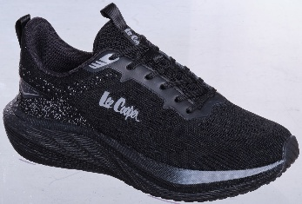 | LCW-26-13-4196MB | 40-45 | 1-2-3-3-2-1 | MESH | 8,746 Ft
2347. |  | LCW-26-13-4196MC | 40-45 | 1-1-3-3-2-2 | MESH | 8,746 Ft
2348. | 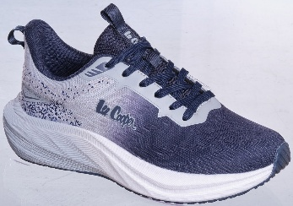 | LCW-26-13-4197MB | 40-45 | 1-2-3-3-2-1 | MESH | 8,746 Ft
2349. |  | LCW-26-13-4197MC | 40-45 | 1-1-3-3-2-2 | MESH | 8,746 Ft
2354. | 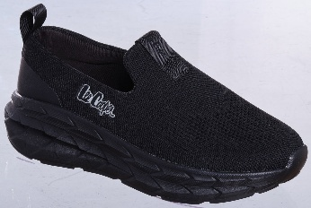 | LCW-26-13-4200MB | 40-45 | 1-2-3-3-2-1 | FLYKNIT | 8,329 Ft
2355. |  | LCW-26-13-4200MC | 40-45 | 1-1-3-3-2-2 | FLYKNIT | 8,329 Ft
2356. | 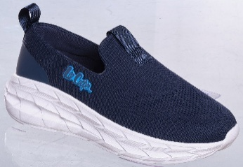 | LCW-26-13-4201MB | 40-45 | 1-2-3-3-2-1 | FLYKNIT | 8,329 Ft
2357. |  | LCW-26-13-4201MC | 40-45 | 1-1-3-3-2-2 | FLYKNIT | 8,329 Ft
2368. |  | LCW-26-14-4214MA | 41-46 | 1-2-3-3-2-1 | FLY KNIT | 9,996 Ft
2369. |  | LCW-26-14-4214MB | 40-45 | 1-2-3-3-2-1 | FLY KNIT | 9,996 Ft
2370. |  | LCW-26-14-4215MA | 41-46 | 1-2-3-3-2-1 | FLY KNIT | 9,996 Ft
2371. |  | LCW-26-14-4215MB | 40-45 | 1-2-3-3-2-1 | FLY KNIT | 9,996 Ft
2376. | 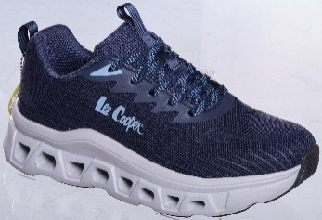 | LCW-26-14-4218MA | 41-46 | 1-2-3-3-2-1 | FLY KNIT | 9,996 Ft
2377. |  | LCW-26-14-4218MB | 40-45 | 1-2-3-3-2-1 | FLY KNIT | 9,996 Ft
2378. |  | LCW-26-14-4219MA | 41-46 | 1-2-3-3-2-1 | FLY KNIT | 9,996 Ft
2379. |  | LCW-26-14-4219MB | 40-45 | 1-2-3-3-2-1 | FLY KNIT | 9,996 Ft
2380. |  | LCW-26-14-4220MA | 41-46 | 1-2-3-3-2-1 | FLY KNIT | 9,996 Ft
2381. |  | LCW-26-14-4220MB | 40-45 | 1-2-3-3-2-1 | FLY KNIT | 9,996 Ft
2382. |  | LCW-26-14-4221MA | 41-46 | 1-2-3-3-2-1 | FLY KNIT | 9,163 Ft
2383. |  | LCW-26-14-4221MB | 40-45 | 1-2-3-3-2-1 | FLY KNIT | 9,163 Ft
2386. | 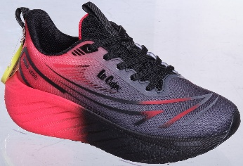 | LCW-26-14-4223MA | 41-46 | 1-2-3-3-2-1 | FLY KNIT | 9,163 Ft
2387. |  | LCW-26-14-4223MB | 40-45 | 1-2-3-3-2-1 | FLY KNIT | 9,163 Ft
2500. |  | LCW-26-16-4295MB | 40-45 | 1-2-3-3-2-1 | TEXTILE/SUEDE | 10,829 Ft
2501. |  | LCW-26-16-4295MC | 40-45 | 1-1-3-3-2-2 | TEXTILE/SUEDE | 10,829 Ft
2502. |  | LCW-26-16-4296MB | 40-45 | 1-2-3-3-2-1 | TEXTILE/SUEDE | 10,829 Ft
2503. |  | LCW-26-16-4296MC | 40-45 | 1-1-3-3-2-2 | TEXTILE/SUEDE | 10,829 Ft
2652. |  | LCW-26-31-4383MB | 40-45 | 1-2-3-3-2-1 | CANVAS | 5,413 Ft
2653. |  | LCW-26-31-4383MC | 40-45 | 1-1-3-3-2-2 | CANVAS | 5,413 Ft
2654. |  | LCW-26-31-4384MB | 40-45 | 1-2-3-3-2-1 | CANVAS | 5,413 Ft
2655. |  | LCW-26-31-4384MC | 40-45 | 1-1-3-3-2-2 | CANVAS | 5,413 Ft
2656. |  | LCW-26-31-4385MB | 40-45 | 1-2-3-3-2-1 | CANVAS | 5,413 Ft
...
 |  |  | Address: _ _ _ _ _ _ _ _ _ _ _ _ _ _ _
No. | Kép | Cikkszám | SIZE | Méret lebontás | Anyag | Nettó Nk ár
2695. |  | LCW-26-34-4420MB | 40-45 | 1-2-3-3-2-1 | TEXTILE | 4,996 Ft
2696. |  | LCW-26-34-4421MA | 41-46 | 1-2-3-3-2-1 | TEXTILE | 4,996 Ft
2697. |  | LCW-26-34-4421MB | 40-45 | 1-2-3-3-2-1 | TEXTILE | 4,996 Ft
2698. |  | LCW-26-34-4422MA | 41-46 | 1-2-3-3-2-1 | TEXTILE | 4,996 Ft
2699. |  | LCW-26-34-4422MB | 40-45 | 1-2-3-3-2-1 | TEXTILE | 4,996 Ft
2702. |  | LCW-26-34-4424MA | 41-46 | 1-2-3-3-2-1 | TEXTILE | 4,996 Ft
2703. |  | LCW-26-34-4424MD | 41-47 | 1-2-3-2-2-1-1 | TEXTILE | 4,996 Ft
2704. |  | LCW-26-34-4425MA | 41-46 | 1-2-3-3-2-1 | TEXTILE | 4,996 Ft
2705. |  | LCW-26-34-4425MD | 41-47 | 1-2-3-2-2-1-1 | TEXTILE | 4,996 Ft
SS26, LEE COOPER KIDS COLLECTION
2358. | 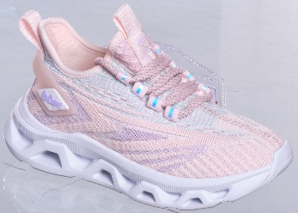 | LCW-26-13-4202K | 28-35 | 1-1-1-1-2-2-2-1 | MESH | 7,496 Ft
2359. | 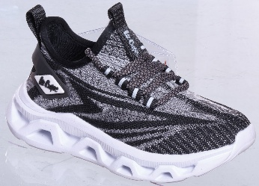 | LCW-26-13-4203K | 28-35 | 1-1-1-1-2-2-2-1 | MESH | 7,496 Ft
2668. |  | LCW-26-31-4391K | 28-35 | 1-1-1-1-2-2-2-2 | SYNTHETIC/NYLON | 7,496 Ft
2670. |  | LCW-26-31-4393K | 28-35 | 1-1-1-1-2-2-2-2 | SYNTHETIC/NYLON | 7,496 Ft
2671. |  | LCW-26-31-4394K | 28-35 | 1-1-1-1-2-2-2-2 | SYNTHETIC | 7,079 Ft
2674. |  | LCW-26-31-4397K | 28-35 | 1-1-1-1-2-2-2-2 | SYNTHETIC | 7,079 Ft
2675. |  | LCW-26-31-4398K | 28-35 | 1-1-1-1-2-2-2-2 | CANVAS | 4,996 Ft
2676. |  | LCW-26-31-4399K | 28-35 | 1-1-1-1-2-2-2-2 | CANVAS | 4,996 Ft
2677. |  | LCW-26-31-4400K | 28-35 | 1-1-1-1-2-2-2-2 | CANVAS | 4,996 Ft
2726. |  | LCW-26-34-4436K | 28-35 | 1-1-1-1-2-2-2-2 | TEXTILE | 4,579 Ft
2727. |  | LCW-26-34-4437K | 28-35 | 1-1-1-1-2-2-2-2 | TEXTILE | 4,579 Ft
2728. |  | LCW-26-34-4438K | 28-35 | 1-1-1-1-2-2-2-2 | TEXTILE | 4,579 Ft
...

